Pooled Funds & Total Fossil Fue
Pooled fund estimate | 10%
 | Amount | Percentage | Name | Pooled fund | Estimated fossil fuel holdings: | in % of total holdings

Total | 5,372,370,448.00
1 | 258,663,857.00 | 4.81% | AGF EMERGING MARKETS ALL CAP EQUITY FD CLASS J | yes | 25,866,385.70 | 0.48%
2 | 212,113,855.00 | 3.95% | BABSON CAP. GB FD SENIOR CLO TRANCHE A ACC |  | 0.00 | 0.00%
3 | 201,852,481.00 | 3.76% | MFG GLOBAL FUND ACC UNHEDGED USD | yes | 20,185,248.10 | 0.38% | http://citywireglobal.com/fund/mfg-global-1-usd-acc/c450183
4 | 146,274,454.00 | 2.72% | UK(GOVT OF) 0.125% I/L GILT 22/3/68 GBP |  | 0.00 | 0.00%
5 | 122,716,198.00 | 2.28% | ING INV MGMT LUX ST CL.YI.OP.Z CAP EUR | yes | 12,271,619.80 | 0.23%
6 | 113,077,499.00 | 2.10% | PAM FDS SA INST EMG LOCAL CURR D Z ACC |  | 0.00 | 0.00%
7 | 108,658,582.00 | 2.02% | ARES INSTITUTIONAL O/S LOAN FD B.V CLASS B SHARES SERIES 01-07-12 |  | 0.00 | 0.00%
8 | 95,797,872.00 | 1.78% | JPMORGAN ASSET MGM GBL SHT DUR BD HGD X ACC |  | 0.00 | 0.00%
9 | 89,032,933.00 | 1.66% | CAPITAL DYNAMICS RED ROSE INFRASTRUCTURELP |  | 0.00 | 0.00%
10 | 85,312,936.00 | 1.59% | BLUEBAY FDS MGMT EMG MKT SEL BD I GBP BASE |  | 0.00 | 0.00%
11 | 80,493,510.00 | 1.50% | ING INV MGMT LUX |  | 0.00 | 0.00%
12 | 76,413,653.00 | 1.42% | EMERGING MKTS LOC CCY DYNAMIC DEBT FD S ACC GBP |  | 0.00 | 0.00%
13 | 76,281,567.00 | 1.42% | JANUS CAPITAL US SHORT TERM BD Z USD ACC |  | 0.00 | 0.00%
14 | 75,629,752.00 | 1.41% | Cash and Cash Equivalents |  | 0.00 | 0.00%
15 | 64,148,258.00 | 1.19% | BABSON CAP GBL INV GBL LOAN TRANCHE B USD ACC |  | 0.00 | 0.00%
 |  |  |  | Total estimated fossil fuels in largest pooled funds | 58,323,253.60 | 1.09%
 |  |  |  | Total direct fossil fuels | 43,616,793.00 | 0.81%
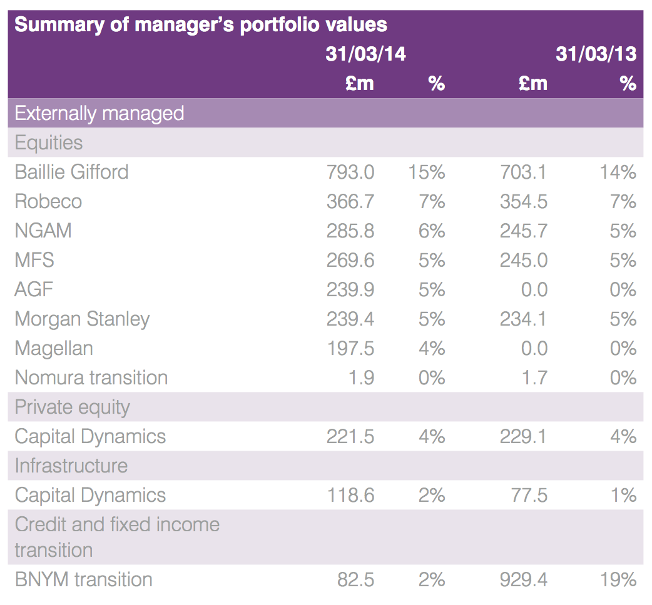
 |  |  |  | Total fossil fuels | 101,940,046.60 | 1.90%
 |  |  |  | Total holdings | 5,372,370,448

